Citation
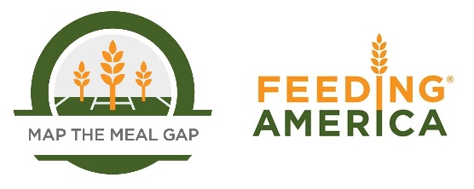

When using this data, please cite as follows:
Gundersen, C., A. Dewey, A. Crumbaugh, M. Kato & E. Engelhard. Map the Meal Gap 2018: A Report on County and Congressional District Food Insecurity and County Food Cost in the United States in 2016. Feeding America, 2018.

